Daily Power Station Chart_15-01
Plant_22/03/2025Chart

Plant:odco1 |  |  | Installed Capacity:111.180kWp
Today Yield(kWh):646.600kWh |  | Today Earning:258640.000TND |  | Today Full Load Hours(h):5.82h

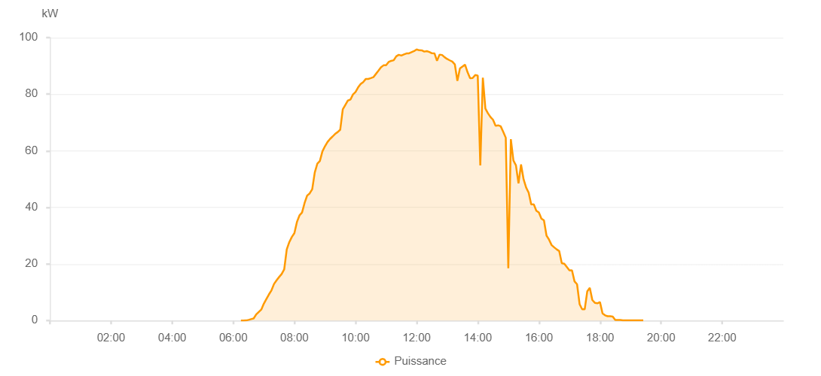

Number | Time | Working State | PV(W) | Instantaneous Radiation(W/㎡)
1 | 06:15:00 | Online | 20.00000 | 0
2 | 06:20:00 | Online | 20.00000 | 0
3 | 06:25:00 | Online | 40.00000 | 1.00000
4 | 06:30:00 | Online | 230.00000 | 3.00000
5 | 06:35:00 | Online | 490.00000 | 8.00000
6 | 06:40:00 | Online | 730.00000 | 8.00000
7 | 06:45:00 | Online | 2160.00000 | 14.00000
8 | 06:50:00 | Online | 3030.00000 | 34.00000
9 | 06:55:00 | Online | 3880.00000 | 51.00000
10 | 07:00:00 | Online | 5970.00000 | 70.00000
11 | 07:05:00 | Online | 7610.00000 | 70.00000
12 | 07:10:00 | Online | 9230.00000 | 116.00000
13 | 07:15:00 | Online | 10680.00000 | 141.00000
14 | 07:20:00 | Online | 12920.00000 | 141.00000
15 | 07:25:00 | Online | 14210.00000 | 189.00000
16 | 07:30:00 | Online | 15380.00000 | 205.00000
17 | 07:35:00 | Online | 16440.00000 | 226.00000
18 | 07:40:00 | Online | 18080.00000 | 251.00000
19 | 07:45:00 | Online | 25160.00000 | 280.00000
20 | 07:50:00 | Online | 27720.00000 | 304.00000
21 | 07:55:00 | Online | 29540.00000 | 325.00000
22 | 08:00:00 | Online | 30880.00000 | 325.00000
23 | 08:05:00 | Online | 34840.00000 | 368.00000
24 | 08:10:00 | Online | 37160.00000 | 390.00000
25 | 08:15:00 | Online | 38170.00000 | 403.00000
26 | 08:20:00 | Online | 41540.00000 | 403.00000
27 | 08:25:00 | Online | 44140.00000 | 455.00000
28 | 08:30:00 | Online | 44930.00000 | 455.00000
29 | 08:35:00 | Online | 46420.00000 | 498.00000
30 | 08:40:00 | Online | 52310.00000 | 498.00000
31 | 08:45:00 | Online | 55420.00000 | 550.00000
32 | 08:50:00 | Online | 56370.00000 | 561.00000
33 | 08:55:00 | Online | 59780.00000 | 583.00000
34 | 09:00:00 | Online | 61590.00000 | 583.00000
35 | 09:05:00 | Online | 63100.00000 | 618.00000
36 | 09:10:00 | Online | 64190.00000 | 618.00000
37 | 09:15:00 | Online | 65050.00000 | 657.00000
38 | 09:20:00 | Online | 65970.00000 | 679.00000
39 | 09:25:00 | Online | 66610.00000 | 691.00000
40 | 09:30:00 | Online | 67450.00000 | 691.00000
41 | 09:35:00 | Online | 74670.00000 | 706.00000
42 | 09:40:00 | Online | 76210.00000 | 745.00000
43 | 09:45:00 | Online | 77750.00000 | 753.00000
44 | 09:50:00 | Online | 78090.00000 | 765.00000
45 | 09:55:00 | Online | 79910.00000 | 781.00000
46 | 10:00:00 | Online | 80760.00000 | 781.00000
47 | 10:05:00 | Online | 82370.00000 | 804.00000
48 | 10:10:00 | Online | 83570.00000 | 804.00000
49 | 10:15:00 | Online | 84270.00000 | 824.00000
50 | 10:20:00 | Online | 85360.00000 | 835.00000
51 | 10:25:00 | Online | 85400.00000 | 841.00000
52 | 10:30:00 | Online | 85680.00000 | 851.00000
53 | 10:35:00 | Online | 86000.00000 | 859.00000
54 | 10:40:00 | Online | 87140.00000 | 870.00000
55 | 10:45:00 | Online | 88290.00000 | 883.00000
56 | 10:50:00 | Online | 89520.00000 | 891.00000
57 | 10:55:00 | Online | 90200.00000 | 896.00000
58 | 11:00:00 | Online | 90230.00000 | 896.00000
59 | 11:05:00 | Online | 91380.00000 | 906.00000
60 | 11:10:00 | Online | 91780.00000 | 906.00000
61 | 11:15:00 | Online | 92000.00000 | 915.00000
62 | 11:20:00 | Online | 93380.00000 | 915.00000
63 | 11:25:00 | Online | 93920.00000 | 921.00000
64 | 11:30:00 | Online | 93650.00000 | 925.00000
65 | 11:35:00 | Online | 94060.00000 | 930.00000
66 | 11:40:00 | Online | 94400.00000 | 934.00000
67 | 11:45:00 | Online | 94440.00000 | 930.00000
68 | 11:55:00 | Online | 95230.00000 | 926.00000
69 | 12:00:00 | Online | 95830.00000 | 924.00000
70 | 12:05:00 | Online | 95530.00000 | 913.00000
71 | 12:10:00 | Online | 95510.00000 | 903.00000
72 | 12:15:00 | Online | 95050.00000 | 919.00000
73 | 12:20:00 | Online | 95210.00000 | 845.00000
74 | 12:25:00 | Online | 94910.00000 | 843.00000
75 | 12:30:00 | Online | 94460.00000 | 845.00000
76 | 12:35:00 | Online | 94450.00000 | 864.00000
77 | 12:40:00 | Online | 91800.00000 | 845.00000
78 | 12:45:00 | Online | 93990.00000 | 864.00000
79 | 12:50:00 | Online | 93850.00000 | 879.00000
80 | 12:55:00 | Online | 93050.00000 | 812.00000
81 | 13:00:00 | Online | 92430.00000 | 812.00000
82 | 13:05:00 | Online | 91960.00000 | 706.00000
83 | 13:10:00 | Online | 91520.00000 | 750.00000
84 | 13:15:00 | Online | 90550.00000 | 663.00000
85 | 13:20:00 | Online | 84710.00000 | 663.00000
86 | 13:25:00 | Online | 89090.00000 | 663.00000
87 | 13:30:00 | Online | 89750.00000 | 802.00000
88 | 13:35:00 | Online | 90440.00000 | 706.00000
89 | 13:40:00 | Online | 87750.00000 | 649.00000
90 | 13:45:00 | Online | 85660.00000 | 750.00000
91 | 13:50:00 | Online | 85720.00000 | 812.00000
92 | 13:55:00 | Online | 86750.00000 | 595.00000
93 | 14:00:00 | Online | 86590.00000 | 750.00000
94 | 14:05:00 | Online | 54800.00000 | 705.00000
95 | 14:10:00 | Online | 85850.00000 | 801.00000
96 | 14:15:00 | Online | 74930.00000 | 705.00000
97 | 14:20:00 | Online | 73250.00000 | 750.00000
98 | 14:25:00 | Online | 71930.00000 | 705.00000
99 | 14:30:00 | Online | 70960.00000 | 705.00000
100 | 14:35:00 | Online | 68810.00000 | 673.00000
101 | 14:40:00 | Online | 68990.00000 | 663.00000
102 | 14:45:00 | Online | 68670.00000 | 624.00000
103 | 14:50:00 | Online | 66730.00000 | 624.00000
104 | 14:55:00 | Online | 64620.00000 | 624.00000
105 | 15:00:00 | Online | 18490.00000 | 604.00000
106 | 15:05:00 | Online | 64100.00000 | 389.00000
107 | 15:10:00 | Online | 56560.00000 | 563.00000
108 | 15:15:00 | Online | 54870.00000 | 531.00000
109 | 15:20:00 | Online | 48470.00000 | 516.00000
110 | 15:25:00 | Online | 55160.00000 | 450.00000
111 | 15:30:00 | Online | 49920.00000 | 496.00000
112 | 15:35:00 | Online | 47000.00000 | 451.00000
113 | 15:40:00 | Online | 45200.00000 | 451.00000
114 | 15:45:00 | Online | 41030.00000 | 451.00000
115 | 15:50:00 | Online | 41090.00000 | 134.00000
116 | 15:55:00 | Online | 38820.00000 | 379.00000
117 | 16:00:00 | Online | 38200.00000 | 366.00000
118 | 16:05:00 | Online | 36040.00000 | 344.00000
119 | 16:10:00 | Online | 35410.00000 | 331.00000
120 | 16:15:00 | Online | 30040.00000 | 331.00000
121 | 16:20:00 | Online | 28590.00000 | 283.00000
122 | 16:25:00 | Online | 26670.00000 | 283.00000
123 | 16:30:00 | Online | 25890.00000 | 283.00000
124 | 16:35:00 | Online | 25140.00000 | 283.00000
125 | 16:40:00 | Online | 24550.00000 | 283.00000
126 | 16:45:00 | Online | 20240.00000 | 133.00000
127 | 16:50:00 | Online | 20050.00000 | 131.00000
128 | 16:55:00 | Online | 0.00001 | 0.00001
129 | 17:00:00 | Online | 17730.00000 | 116.00000
130 | 17:05:00 | Online | 17730.00000 | 54.00000
131 | 17:10:00 | Online | 13860.00000 | 54.00000
132 | 17:15:00 | Online | 12830.00000 | 39.00000
133 | 17:20:00 | Online | 5780.00000 | 132.00000
134 | 17:25:00 | Online | 3980.00000 | 38.00000
135 | 17:30:00 | Online | 4000.00000 | 34.00000
136 | 17:35:00 | Online | 10280.00000 | 38.00000
137 | 17:40:00 | Online | 11550.00000 | 132.00000
138 | 17:45:00 | Online | 7240.00000 | 59.00000
139 | 17:50:00 | Online | 6270.00000 | 25.00000
140 | 17:55:00 | Online | 6100.00000 | 16.00000
141 | 18:00:00 | Online | 6510.00000 | 20.00000
142 | 18:05:00 | Online | 2510.00000 | 20.00000
143 | 18:10:00 | Online | 1840.00000 | 21.00000
144 | 18:15:00 | Online | 1530.00000 | 7.00000
145 | 18:20:00 | Online | 1520.00000 | 7.00000
146 | 18:25:00 | Online | 1400.00000 | 5.00000
147 | 18:30:00 | Online | 170.00000 | 3.00000
148 | 18:35:00 | Online | 210.00000 | 2.00000
149 | 18:40:00 | Online | 170.00000 | 1.00000
150 | 18:45:00 | Online | 70.00000 | 0
151 | 18:50:00 | Online | 80.00000 | 0
152 | 18:55:00 | Online | 70.00000 | 0
153 | 19:00:00 | Online | 70.00000 | 0
154 | 19:05:00 | Online | 70.00000 | 0
155 | 19:10:00 | Online | 70.00000 | 0
156 | 19:15:00 | Online | 70.00000 | 0
157 | 19:20:00 | Online | 70.00000 | 0
158 | 19:25:00 | Online | 70.00000 | 0
159 | 19:45:00 | Online | 0.00001 | 0.00001

